Tariff Sources
 |  | Fixed (c/day) | Peak (c/kWh) | Shoulder (c/kWh) | Off-Peak (c/kWh) | Capacity c/kVA/day
Network | EA310 | 2403.1293 | 4.399 | 2.1052 | 1.3871 | 35.7417
Network | EA305 | 2403.1293 | 4.9482 | 2.2725 | 1.2625 | 35.7417
Retail | TOU10 |  | 10 | 10 | 7
Retail | TOU9 |  | 9 | 9 | 6.5
 | Environmental Charges |  | 1.71 | 1.71 | 1.71
ex GST | EA310_TOU10 | 2403.1293 | 16.109 | 13.8152 | 10.0971 | 35.7417 |  | AEMC | 2017 Residential Electricity Price Trends
 | EA310_TOU_9 | 2403.1293 | 15.109 | 12.8152 | 9.5971 | 35.7417
 | EA305_TOU10 | 2403.1293 | 16.6582 | 13.9825 | 9.9725 | 35.7417
 | EA305_TOU9 | 2403.1293 | 15.6582 | 12.9825 | 9.4725 | 35.7417
inc GST | EA310_TOU10 | 2643.44223 | 17.7199 | 15.19672 | 11.10681 | 39.31587 | Network and Environmental tariffs based on 2017/18 prices
 | EA310_TOU_9 | 2643.44223 | 16.6199 | 14.09672 | 10.55681 | 39.31587 | retail from Nick - first quarter of 2018
 | EA305_TOU10 | 2643.44223 | 18.32402 | 15.38075 | 10.96975 | 39.31587
 | EA305_TOU9 | 2643.44223 | 17.22402 | 14.28075 | 10.41975 | 39.31587

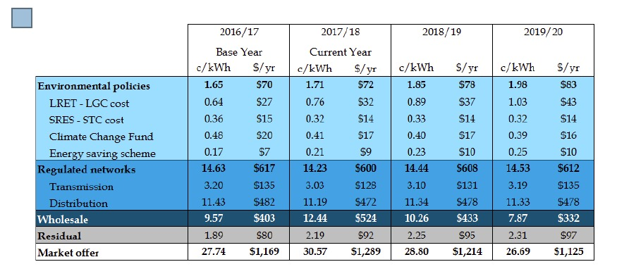
 |  | FITS

 | https://www.ipart.nsw.gov.au/files/sharedassets/website/shared-files/pricing-reviews-energy-services-publications-review-of-solar-feed-in-tariffs-201718/solar-feed-in-tariffs-201718-final-report-june-2017.pdf

 | 2017-18 | ipart raNGE | 11.9 to 15.0
 | 2018-2019 |  | 8 TO 9

